Input ozone and reaction rate
Bubble Type | Rate Constant | Error
Conventional Input pH 6 | 0.12 | 0.01
Microbubble Effective pH 6 | 0.11 | 0.014
Microbubble Input pH 6 | 0.22 | 0.025
Conventional Input pH 7 | 0.15 | 0.01
Microbubble Effective pH 7 | 0.14 | 0.02

Conventional Input pH 6 | 0.12 | 0.01
Conventional Input pH 7 | 0.15 | 0.01

Microbubble Effective pH 6 | 0.11 | 0.01
Microbubble Effective pH 7 | 0.14 | 0.02

Microbubble Input pH 6 | 0.22 | 0.02

6
7

KLA parity plot
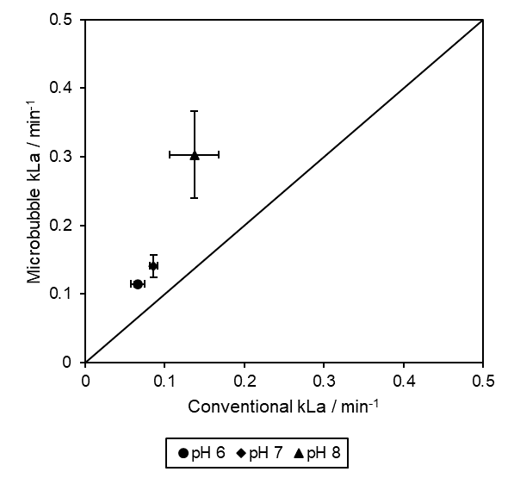
pH | Bubble | Run 1 | Run 2 | Run 3 | Avg. | Std. Dev.
6 | Conventional | 0.0625 | 0.0778 | 0.0575 | 0.065933333333 | 0.0086357139575
7 |  | 0.0874 | 0.0914 | 0.0799 | 0.086233333333 | 0.0047667832154
8 |  | 0.0979 | 0.1736 | 0.1405 | 0.13733333333 | 0.030985408752
6 | Microbubble | 0.1196 | 0.1106 | 0.1137 | 0.11463333333 | 0.0037330357024
7 |  | 0.1261 | 0.1327 | 0.1639 | 0.1409 | 0.016485144828
8 |  | 0.2546 | 0.3925 | 0.2616 | 0.3029 | 0.063421184684

Rate constant
Mecoprop

 | Conventional
pH | Run 1 | Run 2 | Run 3 | Average | Std. Dev.
6 | 0.15 | 0.17 | 0.19 | 0.17 | 0.016329931619
7 | 0.21 | 0.2 | 0.23 | 0.21333333333 | 0.012472191289
8 | 0.27 | 0.23 | 0.25 | 0.25 | 0.016329931619

 | Microbubble
pH | Run 1 | Run 2 | Run 3 | Average | Std. Dev.
6 | 0.32 | 0.3 | 0.3 | 0.30666666667 | 0.0094280904158
7 | 0.35 | 0.32 | 0.34 | 0.33666666667 | 0.012472191289
8 | 0.4 | 0.38 | 0.31 | 0.36333333333 | 0.038586123009

Metaldehyde

 | Conventional
pH | Run 1 | Run 2 | Run 3 | Average | Std. Dev.
6 | 0.0074 | 0.0067 | 0.0047 | 0.0062666666667 | 0.0011440668201
7 | 0.0085 | 0.0112 | 0.0068 | 0.0088333333333 | 0.0018116904322
8 | 0.0231 | 0.0219 | 0.0172 | 0.020733333333 | 0.0025460208605

 | Microbubble
pH | Run 1 | Run 2 | Run 3 | Average | Std. Dev.
6 | 0.0143 | 0.0122 | 0.0097 | 0.012066666667 | 0.0018803073035
7 | 0.0162 | 0.0219 | 0.0122 | 0.016766666667 | 0.0039802289158
8 | 0.0469 | 0.0424 | 0.0376 | 0.0423 | 0.0037973675092

0
0.5

Steady state
pH | Bubble | Run 1 | Run 2 | Run 3 | Avg. | Std. Dev.
6 | Conventional | 1.21 | 1.17 | 1.24 | 1.2066666667 | 0.028674417557
7 |  | 1.04 | 0.98 | 0.93 | 0.98333333333 | 0.044969125211
8 |  | 0.86 | 0.85 | 0.78 | 0.83 | 0.03559026084
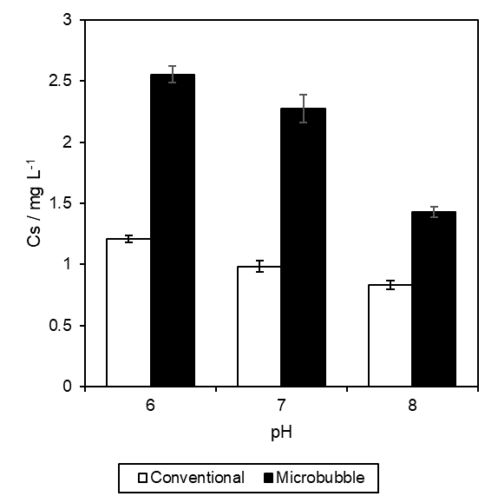
6 | Microbubble | 2.63 | 2.57 | 2.47 | 2.5566666667 | 0.065996632911
7 |  | 2.41 | 2.28 | 2.13 | 2.2733333333 | 0.11440668201
8 |  | 1.38 | 1.49 | 1.42 | 1.43 | 0.045460605657

