K and Infil_Laporiya
...
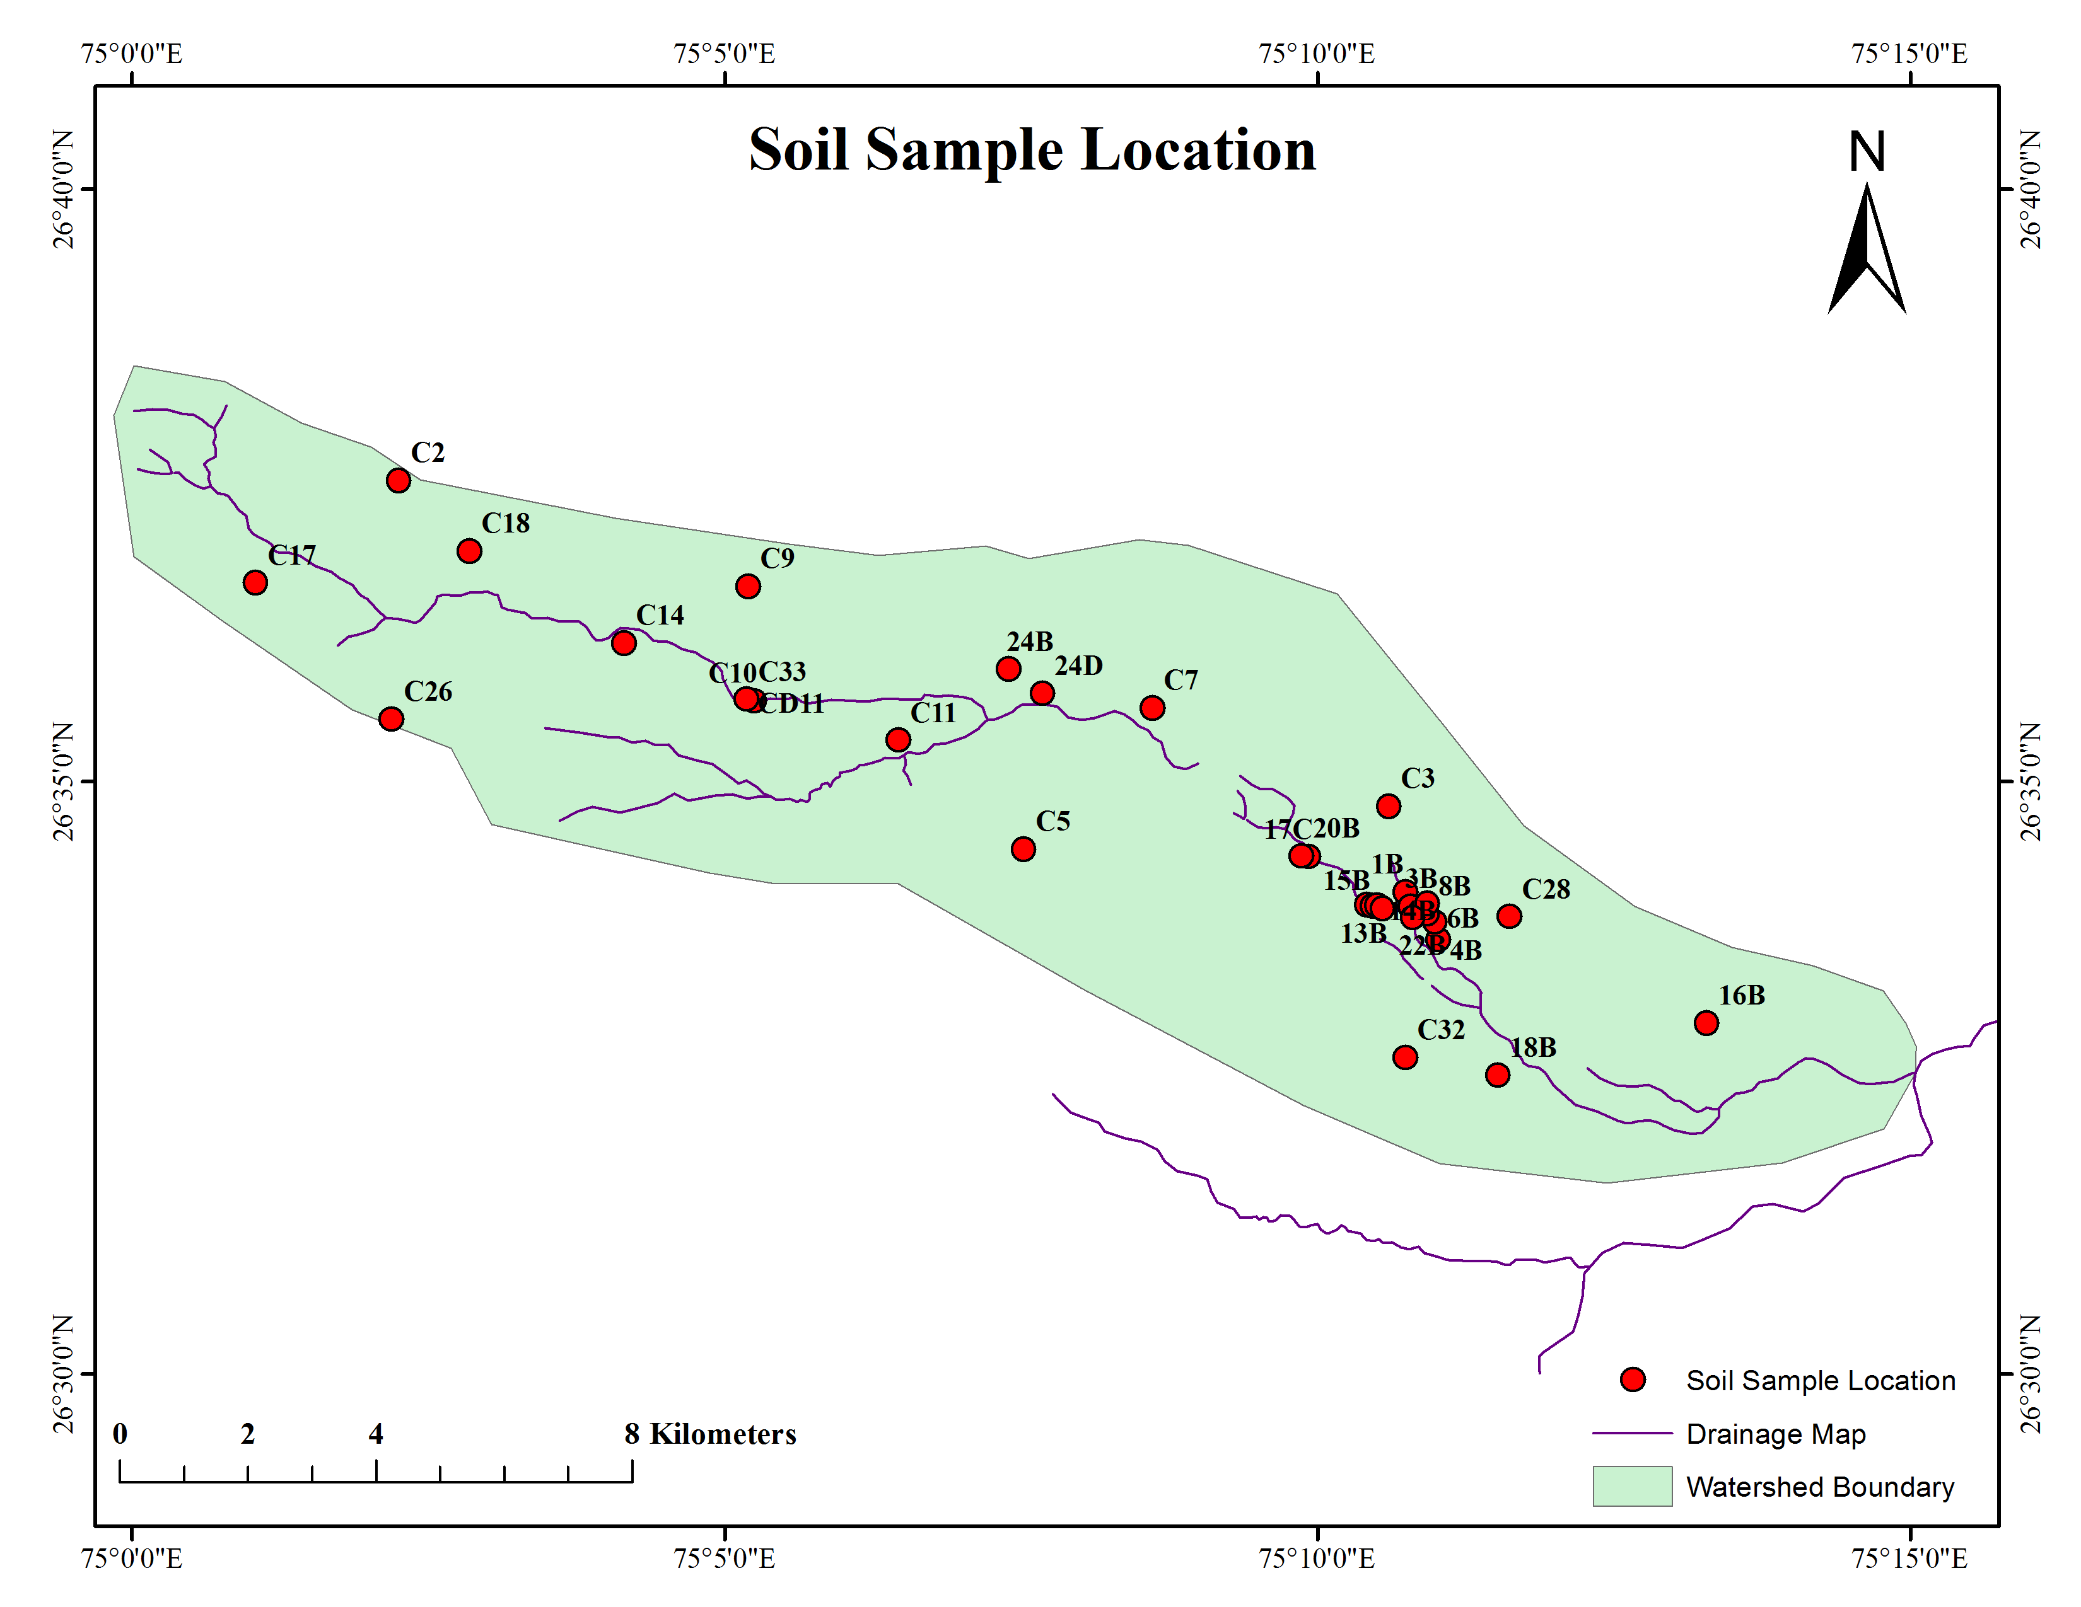
...

Rainfall and Temp
...
26 | 4.0387682718
8 | 4.0289697857
5 | 4.0060546845
10 | 3.9893881449
10 | 3.9588551758
3 | 3.8819939655
0 | 3.82144877
36 | 3.7326088919
 | 3.6587064527
6 | 3.5931274371
Rainy days | 28 | 26
2.5 to 5 | 10 | 8
5 to 10 | 7 | 5
10 to 25 | 4 | 10
25 to 50 | 7 | 10
50 to 100 | 4 | 3
 | 3.5563054933
 | 3.5156085698
 | 3.5210011074
 | 3.4737614578
 | 3.4474502763
 | 3.4259262666
 | 3.4101301052
 | 3.3854246271
 | 3.3133824525
 | 3.1466185421
 | 3.0218817831
 | 2.9170820356
 | 2.8497065444
 | 2.8895850445
 | 2.9973775413
 | 3.0605220952
 | 3.0773577998
 | 3.0777413793
 | 3.0357007257
 | 3.0134960815
 | 3.0213985441
 | 3.0532817226
 | 3.0713664752
 | 3.1024862842
 | 3.1101731329
 | 3.0588322887
 | 2.9928803254
 | 2.9330439611
 | 2.8832112361
 | 2.8362621141
...

