Results
Gender
Male | 14
Female | 12
N/A | 1

18 - 24 | 16
25 - 34 | 8
35 - 44 | 2
45 - 54 | 0
55 and above | 0
N/A | 1
Age

Mexico | 2
Ghana | 1
France | 7
India | 1
USA | 1
Italy | 1
Hungary | 1
Spain | 3
Republic of Korea | 1
UK | 1
Austria | 1
Belgium | 1
China | 1
Greece | 1
Germany | 1
Sieerra Leune | 1
N/A | 2
Country of origin

Student | 23
N/A | 4
Occupation
Educational degree of students
MSC Design Strategy | 4
MSC Water and Wastewater | 6
MSC ommunity Water and Sanitation | 1
MSC Environmental Engineering | 2
N/A | 2
MSC Environmental Water Management Innovation | 1
Mdes Innovation and Creativity in the Industry | 3
MSC Water and Sanitation | 2
MSC CWM | 1
N/A | 4

Considers | 22
Does not consider | 5
Considers brand names when buying food

Recommends brands of food
Recommends | 20
Does not recommend | 7

Cooking enjoyment
Enjoys cooking | 21
Does not enjoy cooking | 6

Person/s responsibole for grocery shopping in household
Me | 21
My partner | 4
My parents | 7
My housemates
Other

Supermarket | 21
Farmers Market | 4
Convience Store | 3
A mix of online and in store | 3
Other
Where grocery shopping takes place

Grocery shopping frequency
Once a week | 20
Two or more times a week | 4
Every two weeks | 2
Once a month | 1
Other

Time allowed to shop
0 - 15 min | 2
15 - 30 min | 5
30 min - 1 hr | 16
1hr - 2hrs | 6
More than 2hrs

Dietary requirements
Dietary requirement | 3
No dietary requirement | 24
Dietary requirement type
No wheat flour | 1
Nuts | 1
N/A | 1

Purpose of game
N/A | 5
Learn how to create a product | 1
Learn about trading | 7
Learn about trends in the market | 2
No idea | 1
Earn money | 3
Optimize market timing | 1
Simulation | 1
Determine the best product | 3

Scenarios understandability
Very Easy to understand | 5
 | 5
 | 13
 | 2
Very Difficult to understand
Reasons for understandability rating
Sell and buy actions | 2
It has pictures and written what it is | 1
Website usage and navigation is antiquated | 2
It's new to me | 2
Scenarios easy to understand | 5
Price changes very unclear | 1
Scenarios not easy to understand | 1
It’s a marketplace | 1

Motivation for investments
Having a perfect meal | 1
Expermienting | 9
Choosing different scenarios | 8
Win the Game | 7
Other | 0
N/A | 2

Factors considered when making trades
Most common situation | 10
My favourite scenario | 9
My dietary requirements | 1
My likes and dislikes on noodles | 4
Easy to cook | 11
The amount of money I had | 10
Other

Made decisions influenced by other participants trades
Influenced | 18
Not influenced | 8
N/A | 2
Ways participants were influenced
Price change | 9
Making more profit | 1
Competition | 2

Rewards/investments
Love for brand | 7
Recognition | 4
Monetary Rewards | 11
Special / Early bird offers | 7
VIP/ launch events | 3
Exclusive visits to brand HQ | 4
First to try product / Preview | 6
Other (Food interest) | 2

Invite only platform participation
More inclined | 3
 | 9
 | 9
 | 3
Less inclined

Game Experience:
Participants found the game to be a fun, interesting and overall great experience.

Improvements/suggestions:
Improving the platform and not making any changes are the most prominent.

Results (Pictures)
Gender
Male | 19
Female | 2

Age
18 - 24 | 16
25 - 34 | 5
35 - 44
45 - 54
55 and above

Country of origin
Denmark | 1
England | 1
Portugal | 1
India | 1
Italy | 5
France | 5
Colombia | 1
Mexico | 1
Spain | 3
Saudi Arabia | 1
Belgium | 1

100% of the participants were students.
Occupational degree of students
MSC Engineering and Management of Manufacturing Systems | 8
MSC Industrial Engineering | 2
Assistant technical analyst | 1
BSC | 3
MSC | 4
N/A | 3

Considers brand names when buying food
Considers | 17
Does not consider | 4

Recommends brands of food
Recommends | 15
Does not recommend | 6

Recommends brands of food
Recommends | 15
Does not recommend | 6

Person/s responsibole for grocery shopping in household
Me | 8
My partner | 1
My parents | 13
My housemates
Other

Supermarket | 19
Farmers Market | 2
Convience Store | 3
A mix of online and in store
Other
Grocery shopping place

Time allowed to shop
0 - 15 min | 2
15 - 30 min | 4
30 min - 1 hr | 12
1hr - 2hrs | 2
More than 2hrs | 1
Grovery Shopping Frequency
Once a week | 11
Two or more times a week | 8
Every two weeks | 2
Once a month
Other

Dietary requirements
Yes | 2
No | 19

 | Dietatry requirement type had:
 | Allergic to garlic and vegetarian

Purpose of game:
Trading to maximize profit was the most preodminant following
understanding user's preferences and learning how to introduce
a product to the market.

Scenarios understandability
Very easy to understand | 4
 | 6
 | 7
 | 2
Very difficult to understand | 2

Motivation for investments
Having a perfect meal (convenient) | 5
Expermienting with different scenarios | 4
Choosing different scenarios | 7
Win the Game | 7
Other

Factors considered when making trades
Most common situation | 7
My favourite scenario | 8
My dietary requirements | 1
My likes and dislikes on noodles | 6
Easy to cook | 5
The amount of money I had | 9
Other (Amount of money I can get) | 1

Image easiest to understand:
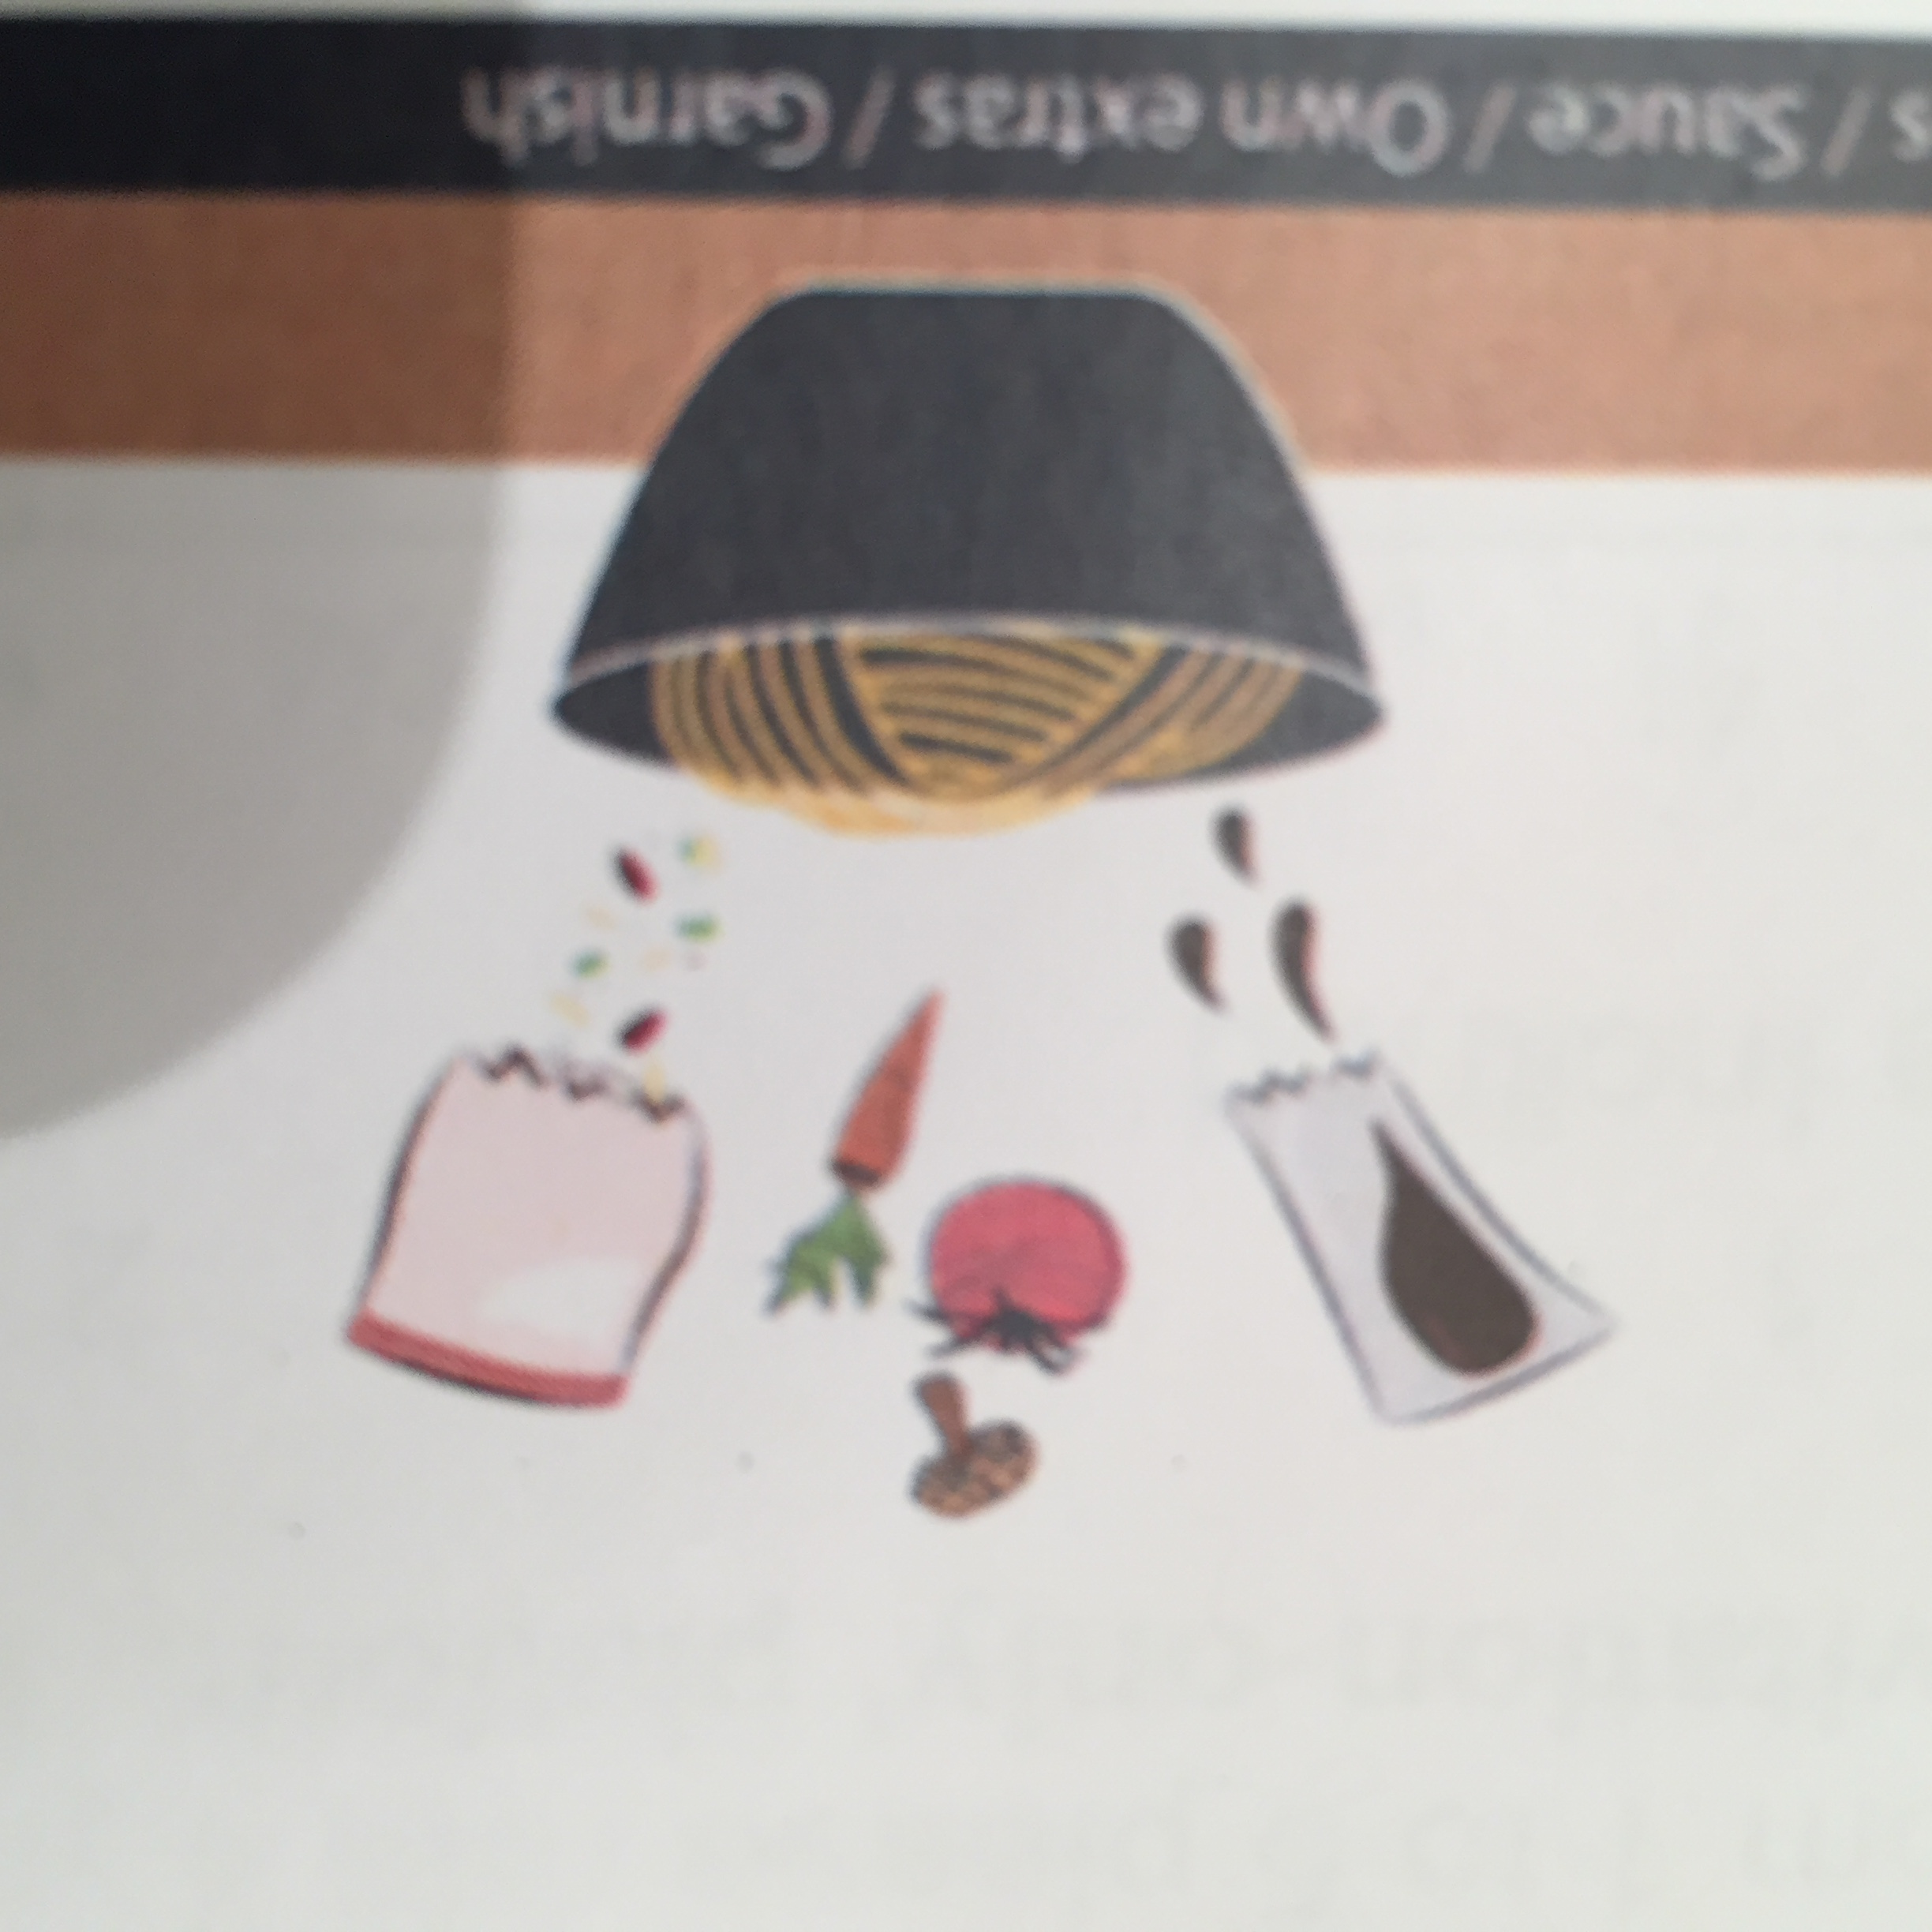

Reasons:
You can see all the ingredients. Intuitive, easy to understand and clearer.

Motivation for investments (second question)
Having a perfect meal (tasty, convenient and cheap) | 7
Having right combination of ingredients | 1
Experimenting with different ingrediedients | 3
Win the Game | 9
Other

Factors considered when making first trade
My favorite type of noodles | 2
My favorite sauce | 4
My dietary requirements
My likes and dislikes on international cuisine
Easy to cook | 2
Learning new recipes to experiment | 2
The amount of money I had | 4
Other (Amount of money I can get) | 1

Made decisions influenced by other participants trade
Influenced | 12
Not influenced | 8
N/A | 1
 |  | Reason:
 |  | Participants were influenced because of price changes as they were follwing the trend.

Rewards / incentives
Love for brand | 1
Recognition | 3
Monetary rewards | 12
Special / Early bird offers | 8
VIP / Launch events | 6
Exclusive visits to brand HQ | 6
Firs to try product/preview | 4
Others

Game experience:
The purpose was unclear but overall it was a good experience and easy to play.

Improvements/suggestions:
Be clear on the purpose of the game from the start and make it easier to understand how prices fluctuate.

Data (Pictures)
Gender
Male | 19
Female | 2

Age
18 - 24 | 16
25 - 34 | 5
35 - 44
45 - 54
55 and above

Country of origin
Denmark | 1
England | 1
Portugal | 1
India | 1
Italy | 5
France | 5
Colombia | 1
Mexico | 1
Spain | 3
Saudi Arabia | 1
Belgium | 1

Occupation
Student | 21 | MSC Engineering and Management of Manufacturing Systems |  |  |  | 8
 |  | MSC Industrial Engineering |  |  |  | 2
 |  | Assistant technical analyst |  |  |  | 1
 |  | BSC |  |  |  | 3
 |  | MSC |  |  |  | 4
 |  | N/A |  |  |  | 3

Do you consider brand names when you buy food?
Considers | 17
Does not consider | 4

Do you recommend brands of food products to family and friends?
Recommends | 15
Does not recommend | 6

Do you enjoy cooking?
Enjoys cooking | 15
Does not enjoy cooking | 6

Who is responsible of buying food at your house?
Me | 8
My partner | 1
My parents | 13
My housemates
Other

Where do you usually do your grocery shopping?
Online
Supermarket | 19
Farmers Market | 2
Grovery Shopping Frequency
Once a week | 11
Two or more times a week | 8
Every two weeks | 2
Once a month
Other
Convience Store | 3
A mix of online and in store
Other

How frequently do you do your shopping?
Once a week | 11
Two or more times a week | 8
Every two weeks | 2
Once a month
Other

How much time do you allow to do your grocery shopping?
0 - 15 min | 2
15 - 30 min | 4
30 min - 1 hr | 12
1hr - 2hrs | 2
More than 2hrs | 1

Do you or any member of your household has a specific dietary requirement? |  |  | Allergic to garlic | 1
Yes | 2 |  | Vegetarian | 1
No | 19

Purpose of this game

Learn offer-demand concept | 1
Trading to emaximize profit | 9
Collect information about student's preference | 1
Learn how to introduce a new product to a market | 3
Understand user's preferences | 5
Learn about stocks | 1
N/A | 1

Difficulty to understand scenarios
Very easy to understand | 4 | 1 |  | Why?
 | 6 | 2 |  | Simple scenarios well depicted |  | 5
 | 7 | 3 |  | Interface and instructions not clear |  | 6
 | 2 | 4 |  | Confusing at first |  | 2
Very difficult to understand | 2 | 5 |  | Interface easy to understand |  | 1
 |  |  |  | Prediction of products are very vague |  | 1
Motivation for investments |  |  |  | Chart unreadable |  | 1
Having a perfect meal (convenient) | 5 |  |  | Prices are difficult to understand |  | 2
Expermienting with different scenarios | 4 |  |  | Not clear when you make profit |  | 1
Choosing different scenarios | 7
Win the Game | 7
Other

Factors considered when making trades
Most common situation | 7
My favourite scenario | 8
My dietary requirements | 1
My likes and dislikes on noodles | 6
Easy to cook | 5
The amount of money I had | 9
Other (Amount of money I can get) | 1

Visual imagery easier to understand
Option 1 | 14 |  | Easier to differentiate scenarios |  | 1
Option 2 | 3 |  | Clearer |  | 5
Option 3 | 3 |  | Easier to understand |  | 3
Don't know | 1 |  | You can see the ingredients |  | 7
 |  |  | Intuitive |  | 2
Motivation for investments (repeated question) |  |  | Simple |  | 2
Having a perfect meal (tasty, convenient and cheap) | 7 |  | Likeness |  | 1
Having right combination of ingredients | 1
Experimenting with different ingrediedients | 3
Win the Game | 9
Other

Factors that you consider when making your first trade
My favorite type of noodles | 2
My favorite sauce | 4
My dietary requirements
My likes and dislikes on international cuisine
Easy to cook | 2
Learning new recipes to experiment | 2
Ways participants were influence
The amount of money I had | 4
Other (Amount of money I can get) | 1

Did other participants influence your original decision
Influenced | 12
Not influenced | 8
N/A | 1

If yes in what way?
Price | 4
Following the trend | 4
Investing less | 1

Rewards/incentives
Love for brand | 1
Recognition | 3
Monetary rewards | 12
Special / Early bird offers | 8
VIP / Launch events | 6
Exclusive visits to brand HQ | 6
Firs to try product/preview | 4
Others

Participation in an 'invitation-only' platform
More inclined | 2 | 1
 | 3 | 2
 | 6 | 3
 | 4 | 4
Less inclined | 3 | 5

Why?
Do not know | 1
Fun game if you have something in common with the players | 1
I would feel special / motivated | 2
I would be more involved | 1
If there is less people I would have more chance to win | 1
Exclusivity | 1
Preference | 1
Motivated by rewards | 1
Depending on the benefits | 1
Requires more effort to join | 1
Learning opportunity | 1
Would not benefit further research | 1
Takes time | 1

Experience
Nice game | 1
Easy to play | 2
Liked playing it for a little while | 1
Great way to learn about market trends | 1
Good experence | 3
Difficult to understand | 1
Interesting | 1
Competitive | 1
Purpose / goal unclear | 3
Learned about trading | 1
Not fun | 1
Funny | 1

Improvements
Provide more information | 1
Titles difficult to read on performance chart | 1
Improve platform | 1
Introduce variables to influence decisions | 1
Make easier to understand how prices change | 2
Be clear on the purpose of the game | 3
Explain the game better | 1
Make it easier to buy and sell products | 1
Explain external factors | 1
Make charts more visual | 1

