Fig 2
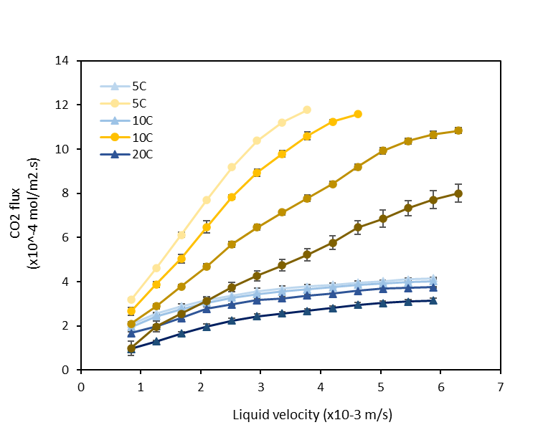
Module
PP x50
 | Temperature (C) | 5 | 5 | 5 | 5 | 10 | 10 | 10 | 10 | 20 | 20 | 20 | 20 | 35 | 35 | 35 | 35
vL, radial | vL, radial | JCO2 | 1 / Kov (exp) | Gz | 1/ks error | JCO2 | 1 / Kov | Gz | 1/ks error | JCO2 | 1 / Kov | Gz | 1/ks error | JCO2 | 1 / Kov | Gz | 1/ks error
m/s | 10-3 m/s | 10 -4 mol/m2.s | s/m | - | - | 10 -4 mol/m2.s | s/m | - | - | 10 -4 mol/m2.s | s/m | - | - | 10 -4 mol/m2.s | s/m | - | -
8.4E-04 | 0.84 | 3.2E+00 | 65392.1 | 8.1 | 11923.0 | 3 | 74189 | 7 | 21900 | 2 | 56354 | 5 | 8925 | 1.0 | 158692.2 | 3.6 | 124068.1
1.3E-03 | 1.26 | 4.6E+00 | 51564.0 | 12.2 | 9894.5 | 4 | 55670 | 11 | 13692 | 3 | 56890 | 8 | 17377 | 2.0 | 51832.0 | 5.4 | 22750.4
1.7E-03 | 1.68 | 6.1E+00 | 39386.8 | 16.3 | 4461.5 | 5 | 45392 | 14 |  | 4 | 44867 | 11 | 9878 | 2.5 | 43930.0 | 7.3 | 18016.5
2.1E-03 | 2.10 | 7.7E+00 | 30478.7 | 20.4 | 16.2 | 6 | 33255 | 18 | 1071 | 5 | 36947 | 13 | 4952 | 3.1 | 37140.4 | 9.1 | 13323.1
2.5E-03 | 2.52 | 9.2E+00 | 26325.6 | 24.4 | -922.1 | 8 | 26916 | 21 | -2460 | 6 | 29814 | 16 | -24 | 3.7 | 31227.4 | 10.9 | 8920.3
2.9E-03 | 2.94 | 1.0E+01 | 25277.1 | 28.5 | 478.0 | 9 | 25049 | 25 | -2186 | 6 | 27824 | 19 | -372 | 4.3 | 28774.2 | 12.7 | 7617.1
3.4E-03 | 3.36 | 1.1E+01 | 26196.4 | 32.6 | 3337.1 | 10 | 24994 | 28 | -547 | 7 | 26849 | 21 | -46 | 4.7 | 27144.7 | 14.5 | 6898.8
3.78E-03 | 3.78 | 1.2E+01 | 27697.2 | 36.7 | 6420.6 | 11 | 24713 | 32 | 555 | 8 | 25816 | 24 | -17 | 5.2 | 25514.6 | 16.3 | 6012.2
4.2E-03 | 4.20 |  |  |  |  | 11 | 24866 | 36 | 1863 | 8 | 24755 | 27 | -192 | 5.8 | 23346.8 | 18.1 | 4464.9
4.6E-03 | 4.62 |  |  |  |  | 12 | 26007 | 39 | 3985 | 9 | 22838 | 30 | -1355 | 6.5 | 20218.8 | 20.0 | 1864.5
5.0E-03 | 5.04 |  |  |  |  |  |  |  |  | 10 | 21460 | 32 | -2083 | 6.8 | 19939.4 | 21.8 | 2040.1
5.5E-03 | 5.46 |  |  |  |  |  |  |  |  | 10 | 21454 | 35 | -1522 | 7.3 | 18958.9 | 23.6 | 1457.1
5.9E-03 | 5.88 |  |  |  |  |  |  |  |  | 11 | 21870 | 38 | -605 | 7.7 | 18555.6 | 25.4 | 1404.7
6.3E-03 | 6.30 |  |  |  |  |  |  |  |  | 11 | 22474 | 40 | 446 | 8.0 | 18568.6 | 27.2 | 1730.1

Module
PMP
 | Temperature (C) | 5 | 5 | 5 | 5 | 10 | 10 | 10 | 10 | 20 | 20 | 20 | 20 | 35 | 35 | 35 | 35
vL, radial | vL, radial | JCO2 | 1 / Kov | Gz | 1/ks error | JCO2 | 1 / Kov | Gz | 1/ks error | JCO2 | 1 / Kov | Gz | 1/ks error | JCO2 | 1 / Kov | Gz | 1/ks error
m/s | 10-3 m/s | 10 -4 mol/m2.s | s/m | - | - | 10 -4 mol/m2.s | s/m | - | - | 10 -4 mol/m2.s | s/m | - | - | 10 -4 mol/m2.s | s/m | - | -
4.2E-04 | 0.42 | 2.373233108 | 69309.739713 | 2.9892805983 | -76342.107515 | 2.1645904211 |  | 2.6096894112 |  | 1.7191112859 |  | 1.9689872204 |  | 0.79356807783 | 179579.62456 | 1.331258566 | 106660.08096
8.4E-04 | 0.84 | 2.0750389163 | 135188.69364 | 5.9785611966 | 12223.270983 | 1.9571328212 | 114614.78549 | 5.2193788224 | 6131.7244178 | 1.6761492551 | 86879.892903 | 3.9379744409 | -283.44101318 | 0.9552665507 | 119570.74513 | 2.6625171321 | 57307.674771
1.3E-03 | 1.26 | 2.5584286638 | 122072.62508 | 8.9678417949 | 8499.9485564 | 2.4435208596 | 104018.94861 | 7.8290682337 | 3744.0246242 | 1.9890304494 | 90743.211327 | 5.9069616613 | 9880.9150831 | 1.3055309526 | 93471.845266 | 3.9937756981 | 35620.820868
1.7E-03 | 1.68 | 2.8885484914 | 115360.62103 | 11.957122393 | 7156.5952993 | 2.7677795519 | 99203.072044 | 10.438757645 | 3619.7069556 | 2.3577832856 | 82003.750462 | 7.8759488818 | 4742.9644042 | 1.6557953545 | 75955.581418 | 5.3250342642 | 20626.368393
2.1E-03 | 2.10 | 3.1832983375 | 108800.75474 | 14.946402992 | 4149.2312404 | 3.0457155738 | 94448.546555 | 13.048447056 | 1969.6436656 | 2.7712334352 | 71895.545968 | 9.8449361022 | -2982.0765228 | 1.9636034653 | 65902.90304 | 6.6562928302 | 12242.403604
2.5E-03 | 2.52 | 3.3837282328 | 105565.82553 | 17.93568359 | 3473.3866367 | 3.2773289254 | 90713.938219 | 15.658136467 | 471.36930732 | 2.9723713458 | 70238.503631 | 11.813923323 | -2922.3803987 | 2.2395693578 | 59237.956064 | 7.9875513963 | 6779.5330776
2.9E-03 | 2.94 | 3.5723681343 | 102188.77373 | 20.924964188 | 2045.4004398 | 3.4394582716 | 88824.163988 | 18.267825879 | 284.84537468 | 3.162334928 | 68183.602509 | 13.782910543 | -3669.7687229 | 2.4412367407 | 55988.063511 | 9.3188099623 | 4445.1733073
3.4E-03 | 3.36 | 3.6902680727 | 100840.42253 | 23.914244786 | 2241.2086298 | 3.5552649474 | 87868.781983 | 20.87751529 | 678.87404986 | 3.251729555 | 68439.117328 | 15.751897764 | -2378.3687283 | 2.5686056141 | 54930.637892 | 10.650068528 | 4113.0842519
3.8E-03 | 3.78 | 3.7845880234 | 99860.660046 | 26.903525385 | 2521.3261367 | 3.647910288 | 87186.052013 | 23.487204701 | 1097.1285559 | 3.374647167 | 67344.803616 | 17.720884984 | -2627.5034928 | 2.6853604147 | 53860.516685 | 11.981327094 | 3634.7653079
4.2E-03 | 4.20 | 3.8671179803 | 98960.703114 | 29.892805983 | 2672.9991352 | 3.7521362962 | 85910.8065 | 26.096894112 | 740.88186675 | 3.464041794 | 66823.218457 | 19.689872204 | -2443.6123498 | 2.8127292882 | 52353.472256 | 13.31258566 | 2621.7020348
4.6E-03 | 4.62 | 3.9614379311 | 97542.159845 | 32.882086581 | 2148.3657867 | 3.8563623045 | 84493.550805 | 28.706583523 | 104.79656338 | 3.586959406 | 65359.254386 | 21.658859425 | -3307.9051423 | 2.9613263072 | 50343.347527 | 14.643844227 | 1031.4727861
5.0E-03 | 5.04 | 4.0321778941 | 96661.169936 | 35.87136718 | 2038.587916 | 3.92584631 | 83836.653708 | 31.316272935 | 121.84657778 | 3.6875283613 | 64313.136857 | 23.627846645 | -3836.6621428 | 3.0356248167 | 49912.673382 | 15.975102793 | 963.0593589
5.5E-03 | 5.46 | 4.1029178572 | 95681.114083 | 38.860647778 | 1732.160985 | 3.9837496479 | 83343.79374 | 33.925962346 | 217.65774692 | 3.709877018 | 64771.607397 | 25.596833866 | -2926.2938131 | 3.0993092534 | 49582.622062 | 17.306361359 | 949.43113023
5.9E-03 | 5.88 | 4.1618678264 | 94930.95011 | 41.849928376 | 1576.5684122 | 4.0300723182 | 83025.528057 | 36.535651757 | 418.97637874 | 3.7434000032 | 64873.598943 | 27.565821086 | -2425.4394912 | 3.1523796173 | 49363.363924 | 18.637619925 | 1009.4604662

Fig 3-5
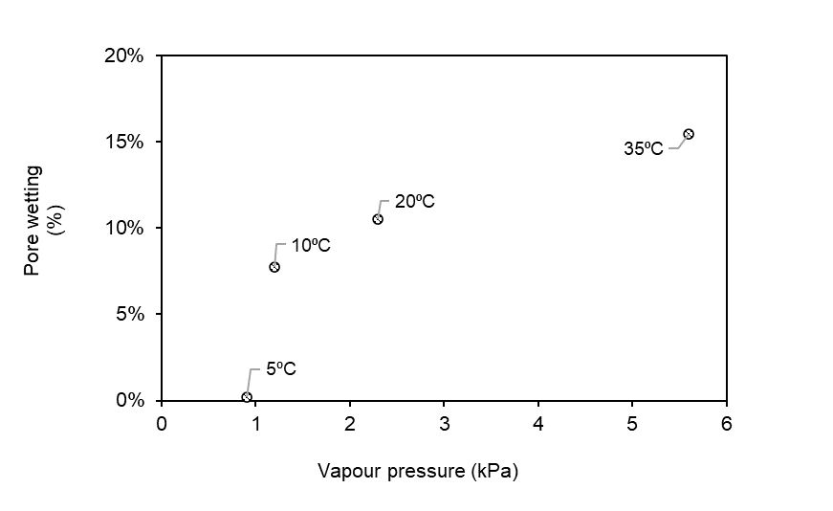
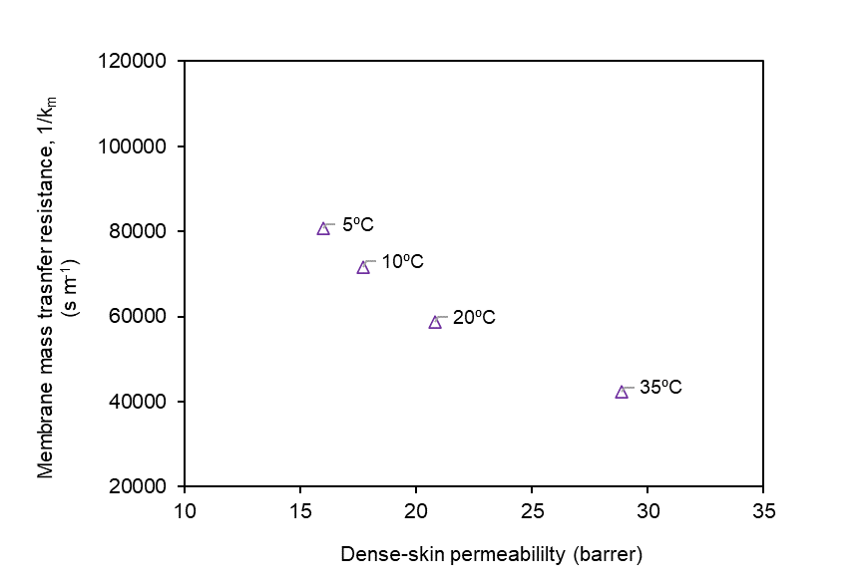
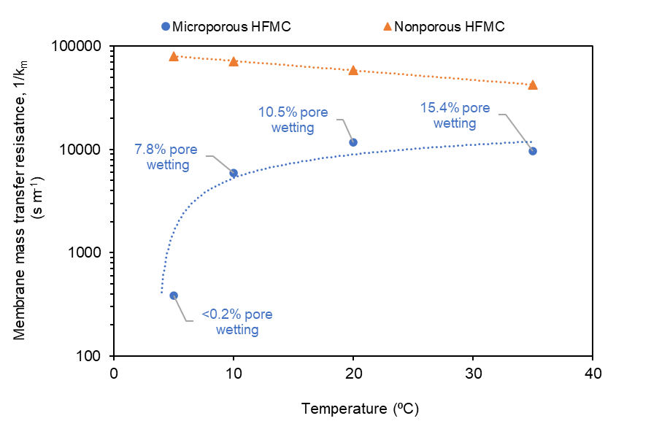
Temp | Type | Wilson (1/km) | km | % wetting | Permeability
C | - | s/m | s/m | - | barrer
5 | PP | 385 | 0.0025974025974 | 0%
10 | PP | 5900.7 | 0.00016947141865 | 8%
20 | PP | 11818 | 8.4616686411E-05 | 11%
35 | PP | 9689 | 0.00010320982558 | 15%
5 | PMP | 80709 | 1.2390191924E-05 |  | 16
10 | PMP | 71556 | 1.3975068478E-05 |  | 18
20 | PMP | 58816 | 1.7002176279E-05 |  | 21
35 | PMP | 42414 | 2.3577120762E-05 |  | 29

Fig 6-7
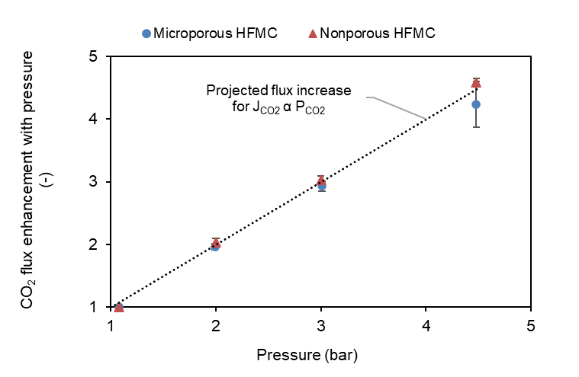
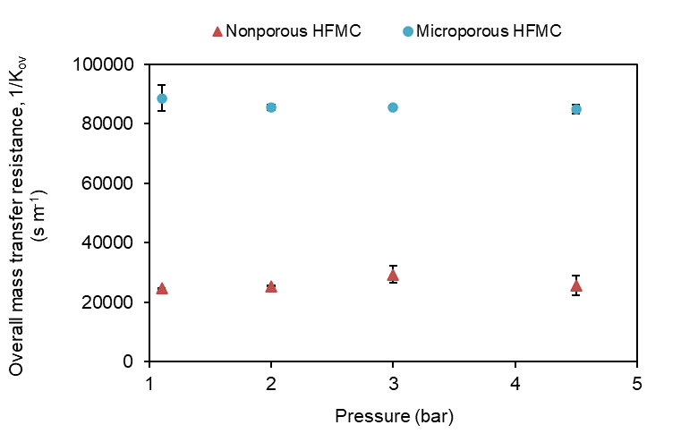
Pressure | Type | vL, radial | 1/Kov | J CO2 | E
bar | - | m/s | s/m | mol/m2.s | -
1.1 | PP | 0.0031515115219 | 24816 | 1.11E-03 | 1.0
2 | PP | 0.0031614929324 | 25503 | 2.17E-03 | 2.0
3 | PP | 0.0033980576666 | 29331 | 3.25E-03 | 2.9
4.5 | PP | 0.0029602780108 | 25637 | 4.70E-03 | 4.2
1.1 | PMP | 0.0031955820296 | 88625 | 5.96E-04 | 1.0
2 | PMP | 0.003299614876 | 85523 | 1.22E-03 | 2.0
3 | PMP | 0.0031225370518 | 85419 | 1.80E-03 | 3.0
4.5 | PMP | 0.0031601706818 | 84923.505368 | 2.74E-03 | 4.6

Fig 8
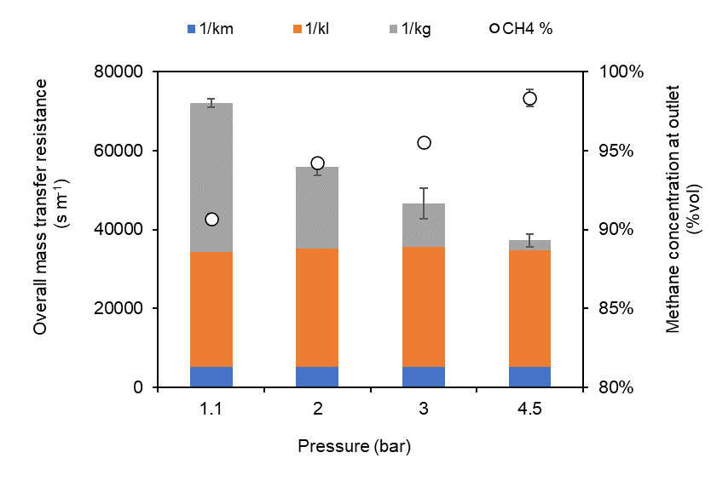
Module - PP

 | vG = 0.02 m/s
 | L | vL | Pressure | 1/km | 1/kl | 1/kg | 1/Kov | %
 | Lpm | x10-3 m/s | bar | s/m | s/m | s/m | s/m | CH4 out
 | 0.84596273292 | 1.7752739823 | 1.1 | 5100 | 29159.061437 | 37797.902037 | 72056.963474 | 91%
 | 0.80590916918 | 1.6912205757 | 2 | 5100 | 30051.078734 | 20692.968099 | 55844.046833 | 94%
 | 0.78729773407 | 1.652164013 | 3 | 5100 | 30509.429202 | 10933.000429 | 46542.429631 | 96%
 | 0.83027398445 | 1.7423507508 | 4.5 | 5100 | 29544.946088 | 2627.4411466 | 37272.387235 | 98%
Mean | 0.81736090515 | 1.7152523304
Stdev | 0.025947053017 | 0.054450540606

Module - PMP

 | vG = 0.02 m/s
 | L | vL | Pressure | 1/km | 1/kl | 1/kg | 1/Kov | %
 | Lpm | x10-3 m/s | bar | s/m | s/m | s/m | s/m | CH4 out
 | 0.83269359946 | 1.7474283735 | 1.1 | 80000 | 23480.010565 | 64059.217775 | 167539.22834 | 80%
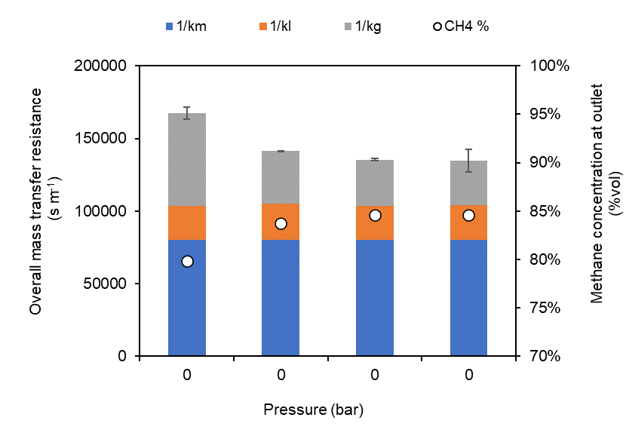
 | 0.75508285926 | 1.5845602914 | 2 | 80000 | 24909.842992 | 36443.864659 | 141353.70765 | 84%
 | 0.82299334034 | 1.7270721368 | 3 | 80000 | 23685.323017 | 31631.013593 | 135316.33661 | 85%
 | 0.79980316575 | 1.6784069746 | 4.5 | 80000 | 24218.487798 | 30437.203003 | 134655.6908 | 85%
Mean | 0.8026432412 | 1.684366944
Stdev | 0.034579408735 | 0.072565755279

Fig 9
Module - PP

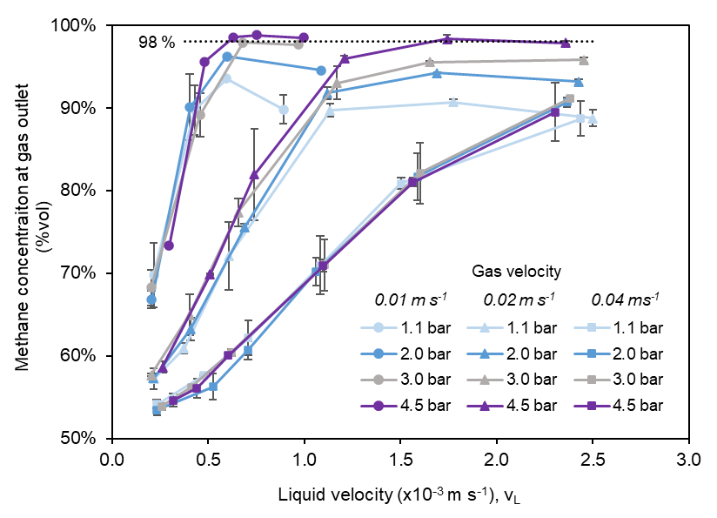
Gas velocity | Pressure | vL | CH4 out | Gas velocity | Pressure | vL | CH4 out | Gas velocity | Pressure | vL | CH4 out
m/s | bar | m/s | % | m/s | bar | m/s | % | m/s | bar | m/s | %
0.01 | 1.1 | 0.2169158306 | 0.5719 | 0.02 | 1.1 | 0.21736470065 | 0.69785 | 0.04 | 1.1 | 0.23306657731 | 0.54158394808
 |  | 0.37413897913 | 0.609 |  |  | 0.43062158834 | 0.8973 |  |  | 0.47633258343 | 0.57591248425
 |  | 0.60805670674 | 0.72093090986 |  |  | 0.59596363218 | 0.9352 |  |  | 0.70855063989 | 0.62167285398
 |  | 1.1338882896 | 0.8969 |  |  | 0.89168819782 | 0.8981 |  |  | 1.0833088201 | 0.7095
 |  | 1.7752739823 | 0.90675 |  |  |  |  |  |  | 1.503826281 | 0.8083
 |  | 2.500075848 | 0.8873 |  |  |  |  |  |  | 2.4369968267 | 0.88695
 |  | 3.237408188 | 0.8502
 |  | 4.2479787336 | 0.8182
 |  |  |  |  | 2 | 0.20612427231 | 0.66795 |  | 2 | 0.23339636135 | 0.5345
 |  |  |  |  |  | 0.40494232924 | 0.9005 |  |  | 0.52543149009 | 0.56265
 | 2 | 0.21486051464 | 0.5732 |  |  | 0.59693830943 | 0.9622 |  |  | 0.70732668866 | 0.60665
 |  | 0.40862918523 | 0.6319 |  |  | 1.0894239908 | 0.9454 |  |  | 1.062636506 | 0.70215
 |  | 0.68967981602 | 0.75553213562 |  |  |  |  |  |  | 1.588517489 | 0.81665
 |  | 1.1210102596 | 0.91765 |  |  |  |  |  |  | 2.3670917986 | 0.9066
 |  | 1.6912205757 | 0.94225079092
 |  | 2.4264849784 | 0.93145
 |  |  |  |  | 3 | 0.20353730987 | 0.68265 |  | 3 | 0.25913774605 | 0.53873333333
 |  |  |  |  |  | 0.45854720595 | 0.89115 |  |  | 0.41260124795 | 0.56193333333
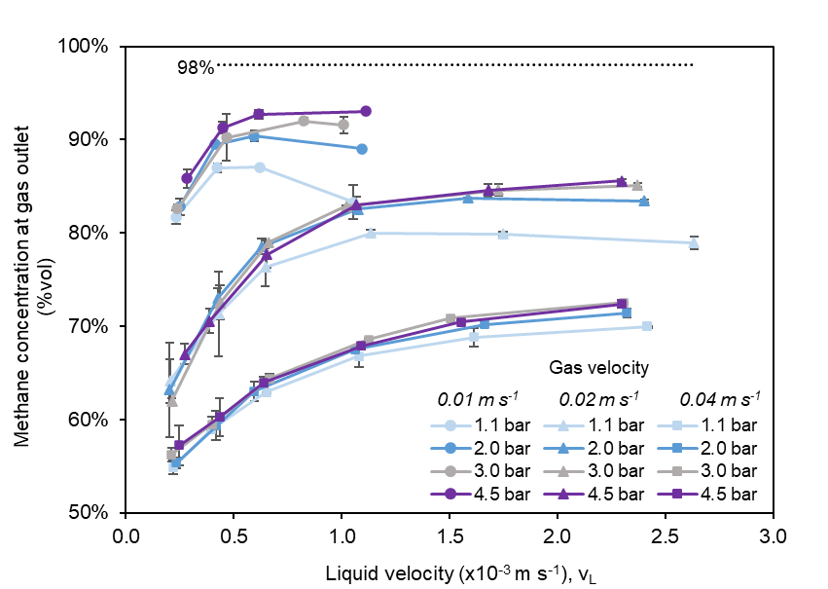
 | 3 | 0.20505851646 | 0.5769 |  |  | 0.68245365898 | 0.97915 |  |  | 0.62097482138 | 0.60386666667
 |  | 0.40413192476 | 0.64935 |  |  | 0.96789225309 | 0.97645 |  |  | 1.1047176823 | 0.7098
 |  | 0.65767645539 | 0.7735 |  |  |  |  |  |  | 1.6023447577 | 0.82103333333
 |  | 1.1705086028 | 0.9302 |  |  |  |  |  |  | 2.3836546032 | 0.9115
 |  | 1.652164013 | 0.9554987285
 |  | 2.4536791875 | 0.95775
 |  |  |  |  | 4.5 | 0.29626235932 | 0.7331 |  | 4.5 | 0.3185222111 | 0.5462
 |  |  |  |  |  | 0.48334549986 | 0.9559 |  |  | 0.44199907469 | 0.5607
 | 4.5 | 0.26367022652 | 0.58625 |  |  | 0.63074015135 | 0.9853 |  |  | 0.60510533592 | 0.60055
 |  | 0.5107697342 | 0.6984 |  |  | 0.75114990433 | 0.9881 |  |  | 1.0970924402 | 0.70885
 |  | 0.74064716258 | 0.81935 |  |  | 0.99534784753 | 0.9848 |  |  | 1.5647556655 | 0.81
 |  | 1.2083727824 | 0.9593 |  |  |  |  |  |  | 2.3047722831 | 0.89475
 |  | 1.7423507508 | 0.98335712437
 |  | 2.3598260405 | 0.97855

Module - PMP

Gas velocity | Pressure | vL | CH4 out | Gas velocity | Pressure | vL | CH4 out | Gas velocity | Pressure | vL | CH4 out
m/s | bar | m/s | % | m/s | bar | m/s | % | m/s | bar | m/s | %
0.01 | 1.1 | 0.20461835135 | 0.64135 | 0.02 | 1.1 | 0.23276648577 | 0.81675 | 0.04 | 1.1 | 0.22011205578 | 0.54895
 |  | 0.43026687211 | 0.71335 |  |  | 0.42425515652 | 0.8697 |  |  | 0.39318822167 | 0.5892
 |  | 0.64547765964 | 0.76335 |  |  | 0.61906303855 | 0.87035 |  |  | 0.65190874589 | 0.62915
 |  | 1.1353889914 | 0.79995 |  |  | 1.0540951546 | 0.83275 |  |  | 1.0802087165 | 0.66805
 |  | 1.7474283735 | 0.79875 |  |  |  |  |  |  | 1.612695665 | 0.6883
 |  | 2.6334836935 | 0.78945 |  |  |  |  |  |  | 2.4191363245 | 0.6993
 |  | 2.9082933796 | 0.76495
 |  | 4.2480264073 | 0.7533
 |  |  |  |  | 2 | 0.25047070008 | 0.82815 |  | 2 | 0.23401472915 | 0.5537
 |  |  |  |  |  | 0.41332979903 | 0.8951 |  |  | 0.41800564834 | 0.59355
 | 2 | 0.20259233473 | 0.63185 |  |  | 0.59555613769 | 0.9039 |  |  | 0.59463767898 | 0.6303
 |  | 0.42451310404 | 0.73035 |  |  | 1.0948813457 | 0.8902 |  |  | 1.0626874051 | 0.6751
 |  | 0.62891423921 | 0.78545 |  |  |  |  |  |  | 1.6604736714 | 0.70215
 |  | 1.0742548577 | 0.8257 |  |  |  |  |  |  | 2.3215512201 | 0.7144
 |  | 1.5845602914 | 0.83735
 |  | 2.4029676125 | 0.83435
 |  |  |  |  | 3 | 0.23908474981 | 0.82605 |  | 3 | 0.21120188636 | 0.5626
 |  |  |  |  |  | 0.46560343055 | 0.9024 |  |  | 0.39745029982 | 0.5951
 | 3 | 0.21297742098 | 0.61995 |  |  | 0.82537410058 | 0.9201 |  |  | 0.66594276364 | 0.64415
 |  | 0.43617921013 | 0.7252 |  |  | 1.0103704865 | 0.9157 |  |  | 1.1253075537 | 0.68595
 |  | 0.66128942248 | 0.7899 |  |  |  |  |  |  | 1.5063997081 | 0.7087
 |  | 1.0206574568 | 0.8288 |  |  |  |  |  |  | 2.3083378876 | 0.7252
 |  | 1.7270721368 | 0.84595
 |  | 2.3711622055 | 0.85115
 |  |  |  |  | 4.5 | 0.2841323909 | 0.85855 |  | 4.5 | 0.2465583382 | 0.57265
 |  |  |  |  |  | 0.44884839585 | 0.913 |  |  | 0.43405033632 | 0.6028
 | 4.5 | 0.27222402802 | 0.67025 |  |  | 0.615522768 | 0.9274 |  |  | 0.63921906022 | 0.63995
 |  | 0.38760069585 | 0.70545 |  |  | 1.1135637538 | 0.93045 |  |  | 1.0901887994 | 0.67895
 |  | 0.65439412648 | 0.777 |  |  |  |  |  |  | 1.553472271 | 0.7047
 |  | 1.0683997569 | 0.83035 |  |  |  |  |  |  | 2.2959563734 | 0.7239
 |  | 1.6784069746 | 0.8457
 |  | 2.2973731237 | 0.85585

Fig 10-11
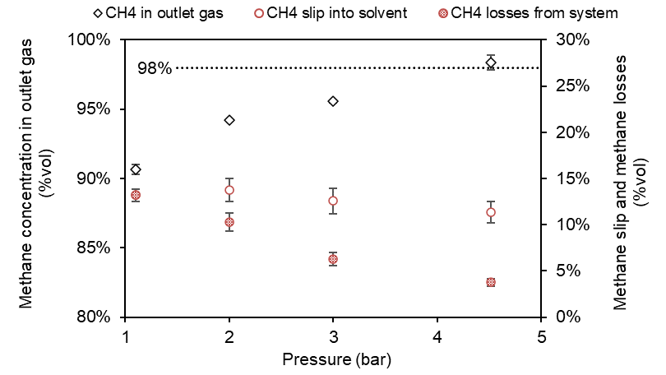
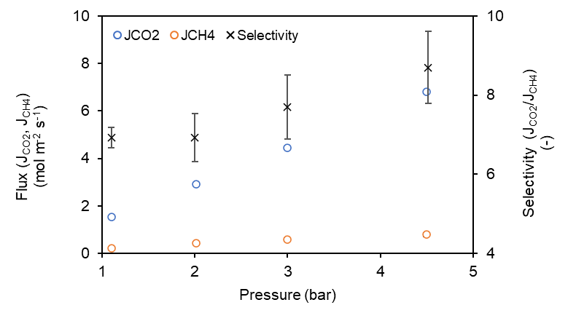
Pressure | JCO2 | JCH4 | Selectivity | CH4 out | CH4 slip | CH4 losses
bar | mol/m2.s | mol/m2.s | JCO2/JCH4 | %vol | %vol | %vol
1.1 | 0.00015410932867 | 2.2277878127E-05 | 691.8% | 90.7% | 13.2% | 13.2%
2 | 0.00029077537648 | 4.2120747578E-05 | 690.3% | 94.2% | 13.7% | 10.3%
3 | 0.00044395387211 | 5.7970136249E-05 | 765.8% | 95.5% | 12.6% | 6.3%
4.5 | 0.00068156465466 | 7.8765109361E-05 | 865.3% | 98.3% | 11.4% | 3.7%

Fig 12
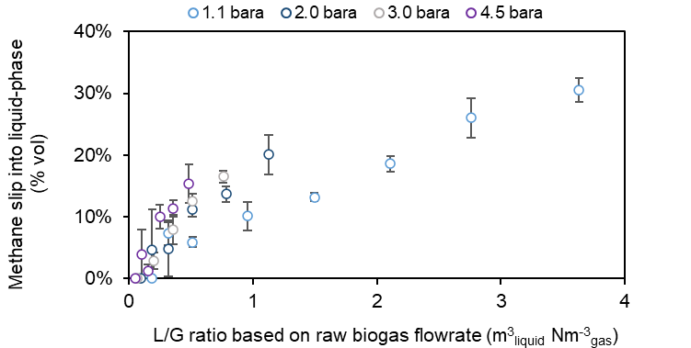
Module - PP |  |  |  |  | Module - PMP

vG = 0.02 m/s |  |  |  |  | vG = 0.02 m/s

Pressure | L/G | L/G | CH4 slip | Projected CH4 slip | Pressure | L/G | CH4 slip | Projected CH4 slip
bar | m3/Nm3 | m3/m3 | % | % | bar | m3/m3 | % | %
1.1 | 0.3160 | 0.32 | 2% | 7% | 1.1 | 0.6407 | 4% | 6%
 | 0.5145 | 0.52 | 4% | 6% |  | 0.9612 | 5% | 9%
 | 0.9581 | 0.96 | 8% | 10% |  | 1.6908 | 13% | 13%
 | 1.4968 | 1.51 | 13% | 13% |  | 2.6022 | 20% | 16%
 | 2.1089 | 2.13 | 18% | 19% |  | 3.9216 | 29% | 21%
 | 2.7611 | 2.75 | 22% | 26% |  | 4.3309 | 31% | 26%
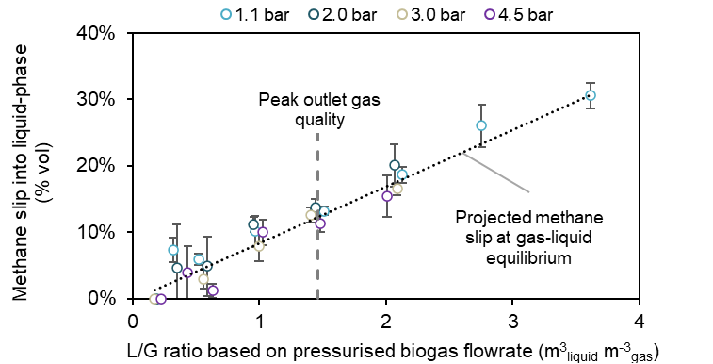
 | 3.6298 | 3.61 | 28% | 31% |  | 6.3259 | 45% | 29%
2 | 0.1891 | 0.35 | 2% | 5% | 2 | 0.6322 | 4% | 6%
 | 0.3186 | 0.59 | 4% | 8% |  | 0.9365 | 7% | 5%
 | 0.5131 | 0.95 | 8% | 11% |  | 1.5997 | 13% | 6%
 | 0.7846 | 1.44 | 13% | 15% |  | 2.3596 | 19% | 13%
 | 1.1266 | 2.06 | 18% | 20% |  | 3.5784 | 28% | 16%
3 | 0.1270 | 0.34 | 2% | 0% | 3 | 0.6495 | 4% | 9%
 | 0.2027 | 0.56 | 9% | 8% |  | 0.9848 | 7% | 11%
 | 0.3593 | 1.00 | 12% | 12% |  | 1.5199 | 12% | 13%
 | 0.5113 | 1.41 | 19% | 17% |  | 2.5719 | 21% | 21%
 | 0.7612 | 2.09 | 3% | 4% |  | 3.5310 | 28% | 24%
4.5 | 0.1047 | 0.43 | 5% | 1% | 4.5 | 0.5772 | 4% | 8%
 | 0.1533 | 0.63 | 9% | 10% |  | 0.9745 | 7% | 11%
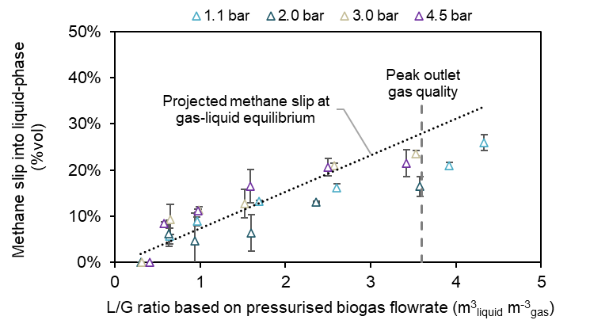
 | 0.2490 | 1.03 | 14% | 12% |  | 1.5910 | 13% | 17%
 | 0.3579 | 1.48 | 19% | 15% |  | 2.4994 | 20% | 21%
 |  |  |  |  |  | 3.4211 | 28% | 21%

