Figure 2A-5A
Fuel utilisation (%) | 75 | 80 | 85 | 90
Chemical energy (kWch) | 44690.61 | 44690.61 | 44690.61 | 44690.61
CO2 capture from air (kg/s) | 1.33 | 1.21 | 1.10 | 1.00
Gross power output (MWel) | 21135.32 | 22151.23 | 22999.98 | 23702.82
Net power output (MWel) | 18063.98 | 19181.98 | 20090.60 | 20826.87
Heat output (MWt) | 8911.27 | 8921.28 | 8937.63 | 8957.07
Fuel consumption (kg/s) | 0.95 | 0.95 | 0.95 | 0.95
Rate of CO2 to storage (kg/s) | 5.92 | 5.60 | 5.32 | 5.07
Sorbent processing rate (kg/s) | 7.63 | 6.92 | 6.30 | 5.75
Calcined product rate (kg/s) | 4.30 | 3.90 | 3.55 | 3.24

Specific negative emissions | 107.19 | 97.16 | 88.50 | 80.76
Specific CO2 sequestred (g/kWchh) | 477.07 | 450.97 | 428.40 | 408.06
Total efficiency | 60.36 | 62.88 | 64.95 | 66.64
Net thermal efficiency efficiency (%LHV) | 40.42 | 42.92 | 44.95 | 46.60
Effective electric efficiency | 53.84 | 57.19 | 59.94 | 62.18
TCR (£) | 31246162.82 | 32234556.03 | 33276919.78 | 34310426.88
Carbon tax (£/tCO2) | 58.22 | 62.43 | 68.00 | 75.00

Specific capital cost (£/kWch) | 699.17 | 721.28 | 744.61 | 767.73

Figure 2B-5B
Current density (mA/cm2) | 150 | 175 | 200 | 225 | 250 | 275 | 300
Chemical energy (kWch) | 44690.61 | 44690.61 | 44690.61 | 44690.61 | 44690.61 | 44690.61 | 44690.61
CO2 capture from air (kg/s) | 0.87 | 0.92 | 0.97 | 1.03 | 1.10 | 1.16 | 1.23
Gross power output (MWel) | 26138.79 | 25467.20 | 24698.07 | 23871.61 | 22999.98 | 22089.08 | 21142.86
Net power output (MWel) | 23746.67 | 22964.92 | 22074.59 | 21109.57 | 20090.60 | 19027.99 | 17923.24
Heat output (MWt) | 9009.39 | 8990.08 | 8971.72 | 8954.26 | 8937.63 | 8923.34 | 8911.69
Fuel consumption (kg/s) | 0.95 | 0.95 | 0.95 | 0.95 | 0.95 | 0.95 | 0.95
Rate of CO2 to storage (kg/s) | 4.75 | 4.87 | 5.01 | 5.16 | 5.32 | 5.48 | 5.66
Sorbent processing rate (kg/s) | 5.01 | 5.28 | 5.59 | 5.93 | 6.30 | 6.68 | 7.07
Calcined product rate (kg/s) | 2.82 | 2.98 | 3.15 | 3.35 | 3.55 | 3.77 | 3.99

Specific negative emissions (g/kWchh) | 70.33 | 74.22 | 78.52 | 83.33 | 88.50 | 93.81 | 99.37
Specific CO2 sequestred (g/kWchh) | 382.92 | 392.65 | 403.33 | 415.48 | 428.40 | 441.67 | 455.53
Total thermal efficiency (%LHV) | 73.30 | 71.50 | 69.47 | 67.27 | 64.95 | 62.54 | 60.05
Net thermal efficiency efficiency (%LHV) | 53.14 | 51.39 | 49.39 | 47.23 | 44.95 | 42.58 | 40.11
Effective electric efficiency | 71.04 | 68.65 | 65.94 | 63.02 | 59.94 | 56.74 | 53.42
TCR (£) | 46275187.46 | 41411165.80 | 37881663.35 | 35266010.36 | 33276919.78 | 31729796.58 | 30522948.69
Carbon tax | 129.29 | 102.62 | 85.69 | 74.85 | 68.00 | 63.92 | 61.66

Specific capital cost (£/kWch) | 1035.46 | 926.62 | 847.64 | 789.11 | 744.61 | 709.99 | 682.98

Figure 3
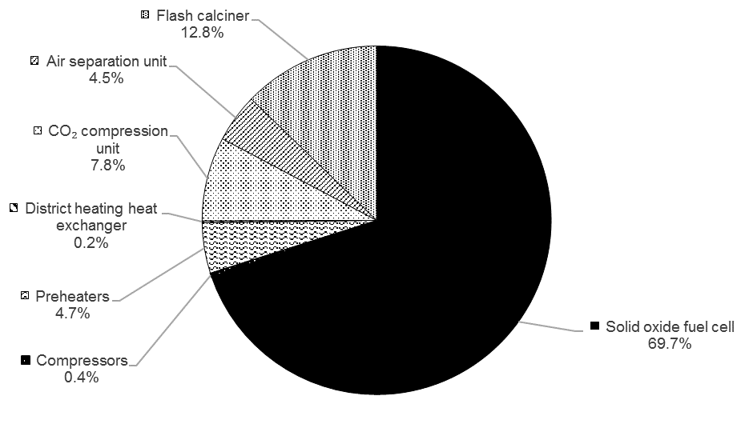
Component | Contribution to capital cost
Solid oxide fuel cell (%) | 0.697
Compressors (%) | 0.004
Preheaters (%) | 0.047
District heating heat exchanger (%) | 0.002
CO₂ compression unit (%) | 0.078
Air separation unit (%) | 0.045
Flash calciner (%) | 0.128

Figure 4
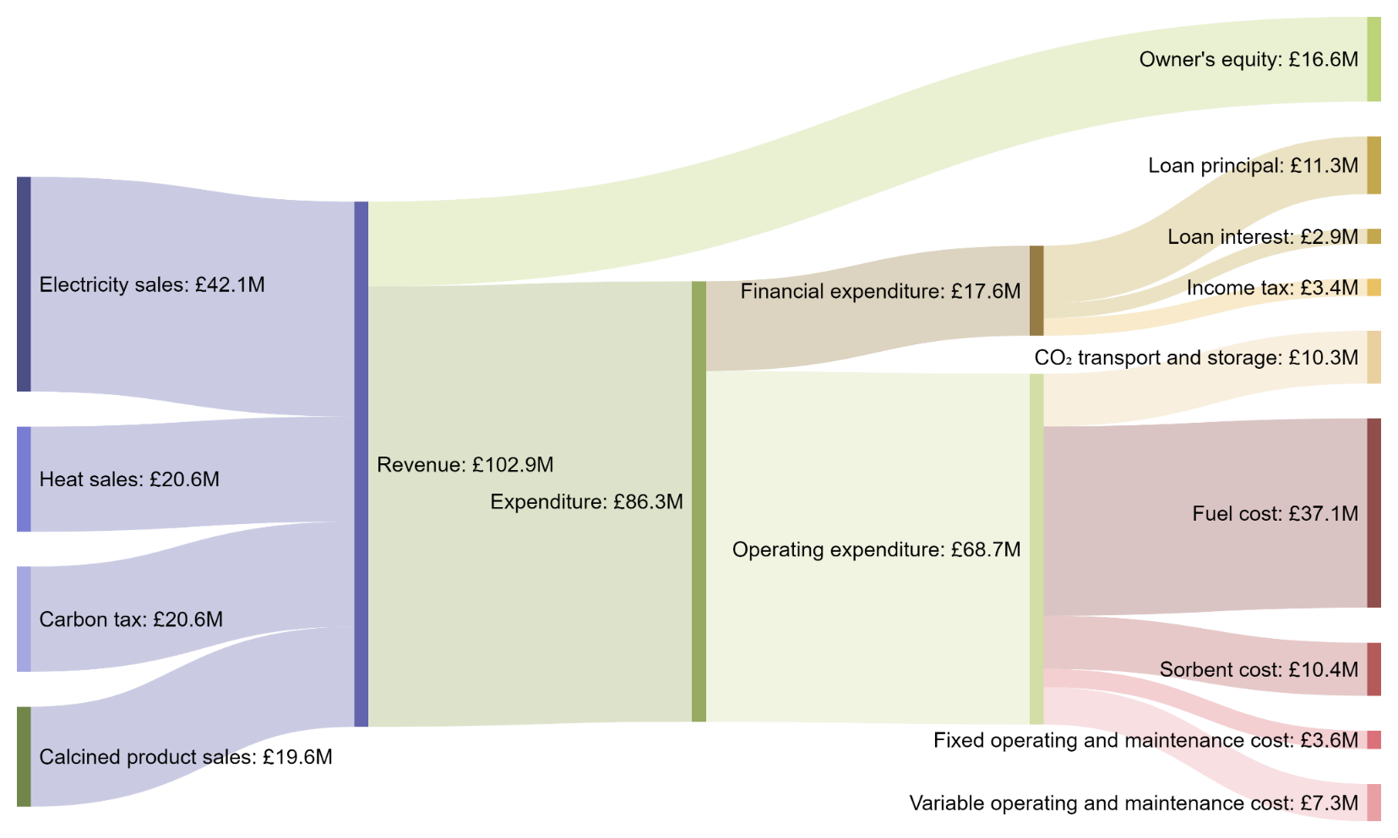
Sankey diagram
Own equity (£) | 16,638,459.89
Electricity sales (£) | 42,095,337.91
Heat sales (£) | 20,577,975.85
Calcined product sales (£) | 19,634,554.61
Carbon tax (£) | 20,642,139.81
Total revenue (£) | 102,950,008.18
CO2 transport and storage expense (£) | 10,285,434.78
Fuel cost (£) | 37,042,413.32
Sorbent cost (£) | 10,443,873.55
Fixed operating and maintenance cost (£) | 3,644,250.82
Variable operating and maintenance cost (£) | 7,288,501.64
Total operating expenditure (£) | 68,704,474.09
Income tax (£) | 3,402,161.10
Principal payment (£) | 11,315,677.69
Loan interest (£) | 2,889,235.41
Residual value (£) | 0.00
Cash flow - NPV (£) | 0.00

Figure 6
Sensitivity on product prices
Electricity price | Carbon tax | Heat price | Carbon tax | Lime price | Carbon tax
0.00 | 206.48 | 0.00 | 135.79 | 0.00 | 132.68
10.00 | 171.82 | 10.00 | 113.19 | 10.00 | 116.51
20.00 | 137.15 | 20.00 | 90.60 | 20.00 | 100.34
30.00 | 102.48 | 30.00 | 68.00 | 30.00 | 84.17
40.00 | 68.00 | 40.00 | 45.40 | 40.00 | 68.00
50.00 | 33.86 | 50.00 | 22.81 | 50.00 | 51.83
60.00 | -0.12 | 60.00 | 0.21 | 60.00 | 35.66
70.00 | -33.99 | 70.00 | -22.39 | 70.00 | 19.49
80.00 | -67.80 | 80.00 | -44.98 | 80.00 | 3.32
90.00 | -101.58 | 90.00 | -67.58 | 90.00 | -12.85
100.00 | -135.31 | 100.00 | -90.17 | 100.00 | -29.02

Sensitivity on project costs
Sorbent cost | Carbon tax | Fuel cost | Carbon tax | Transport and storage cost | Carbon tax
0.00 | 33.60 | 1.00 | -13.35 | -25.00 | -86.89
5.00 | 62.27 | 2.00 | 27.32 | -20.00 | -62.69
10.00 | 90.94 | 3.00 | 68.00 | -15.00 | -38.49
15.00 | 119.61 | 4.00 | 108.68 | -10.00 | -14.29
20.00 | 148.28 | 5.00 | 149.35 | -5.00 | 9.92
25.00 | 176.95 | 6.00 | 190.03 | 0.00 | 34.12
30.00 | 205.62 | 7.00 | 230.71 | 5.00 | 58.32
35.00 | 234.29 | 8.00 | 271.38 | 10.00 | 82.52
40.00 | 262.96 | 9.00 | 312.06 | 15.00 | 106.72
45.00 | 291.63 | 10.00 | 352.73 | 20.00 | 130.93
50.00 | 320.30 | 11.00 | 393.41 | 25.00 | 155.13

Figure 7
Parameter | 25% reduction in the parameter value | 25% increase in the parameter value
Subsidy share (-) | 68.00 | 68.00
Fraction of calcined product to sales (-) | 67.34 | 69.11
Inflation rate (-) | 69.51 | 66.51
Loan interest rate (-) | 65.68 | 70.33
Depreciation rate (-) | 65.49 | 70.62
Fixed operating cost (-) | 65.00 | 71.00
Loan share (-) | 71.04 | 64.97
Corporate tax rate (-) | 64.76 | 71.64
Variable operating cost (-) | 62.00 | 74.00
CO₂ transport and storage cost (£/t) | 59.53 | 76.47
Sorbent cost (£/t) | 59.40 | 76.60
Fuel cell degradation (-) | 55.18 | 79.12
Project interest rate (-) | 56.48 | 80.83
CaO price (£/t) | 84.17 | 51.83
Heat price (£/MWthh) | 84.95 | 51.05
Conversion of sorbent (-) | 90.67 | 54.40
Capacity factor (-) | 104.69 | 49.87
Fuel cost (£/GJch) | 37.49 | 98.51
Electricity price (£/MWelh) | 102.48 | 33.86
Total capital requirement (£) | 31.35 | 104.97

Reference break-even carbon tax (£/tCO2) | 68.00
 | 25% increase in the parameter value | 25% reduction in the parameter value
 | 1 | 1

Figure 8
 | Profitability index |  | Payback time |  | Internal rate of return
0 | -0.1 | 68 | 25 | 30 | -0.78459444698
10 | 0.1 | 70 | 22.171643804 | 40 | 2.6819513581
20 | 0.3 | 80 | 16.185951059 | 50 | 5.1976045381
30 | 0.4 | 90 | 13.493469592 | 60 | 7.2862211061
40 | 0.6 | 100 | 11.756817681 | 68 | 8.78
50 | 0.7 | 110 | 10.488133838 | 70 | 9.1357772083
60 | 0.9 | 120 | 9.2185772764 | 80 | 10.837865966
68 | 1.0 | 130 | 7.996876443 | 90 | 12.446815012
70 | 1.0 | 140 | 7.0939305196 | 100 | 13.999909625
80 | 1.2 | 150 | 6.3963134215 | 110 | 15.51319595
90 | 1.3 |  |  | 120 | 16.996458072
100 | 1.5 |  |  | 130 | 18.45685267
110 | 1.6 |  |  | 140 | 19.899703878
120 | 1.8 |  |  | 150 | 21.329020175
130 | 1.9
140 | 2.1
150 | 2.2
Carbon tax (£/tCO2) | Payback time (year) | Profitability index (-) | Internal rate of return (%)
0 | Not feasible | -0.1
10 | Not feasible | 0.1
20 | Not feasible | 0.3
30 | Not feasible | 0.4 | -0.8
40 | Not feasible | 0.6 | 2.7
50 | Not feasible | 0.7 | 5.2
60 | Not feasible | 0.9 | 7.3
68 | 25 | 1.0 | 8.8
70 | 22 | 1.0 | 9.1
80 | 16 | 1.2 | 10.8
90 | 13 | 1.3 | 12.4
100 | 12 | 1.5 | 14.0
110 | 10 | 1.6 | 15.5
120 | 9 | 1.8 | 17.0
130 | 8 | 1.9 | 18.5
140 | 7 | 2.1 | 19.9
150 | 6 | 2.2 | 21.3

Figure 9
Carbon tax bin (£/t/CO2) | Probability density (%) | Cumulative probability (%)
-5 | 0.05 | 0.15
-4.5 | 0.1 | 0.25
-4 | 0.17 | 0.42
-3.5 | 0.37 | 0.79
-3 | 0.43 | 1.22
-2.5 | 0.92 | 2.14
-2 | 1.43 | 3.57
-1.5 | 2.35 | 5.92
-1 | 4.3 | 10.22
-0.5 | 6.8 | 17.02
0 | 9.59 | 26.61
0.5 | 13.69 | 40.3
1 | 14.96 | 55.26
1.5 | 13.9 | 69.16
2 | 10.55 | 79.71
2.5 | 6.8 | 86.51
3 | 4.67 | 91.18
3.5 | 2.8 | 93.98
4 | 1.88 | 95.86
4.5 | 1.37 | 97.23
5 | 0.91 | 98.14
5.5 | 0.59 | 98.73
6 | 0.37 | 99.1
6.5 | 0.18 | 99.28
7 | 0.13 | 99.41
7.5 | 0.15 | 99.56
8 | 0.07 | 99.63

